IDMT TimePlot
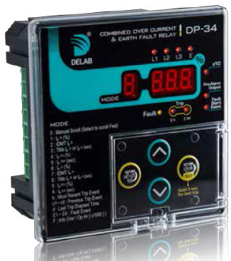
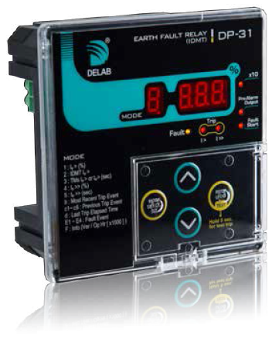

Discrimination Time Plot for IDMT Protection Relay
Device 1

CT | : | 1000 | /5A

I set | : | 100.0 | %

I char set | : | Normal Inv 3.0

Time set | : | 0.10 | TM

Device 2

CT | : | 500 | /5A

I set | : | 100.0 | %

I char set | : | Normal Inv 3.0

Time set | : | 0.10 | TM

Device 3

CT | : | None | /5A

I set | : | 2.0 | %

I char set | : | Extremely Inv 0.64

Time set | : | 0.10 | TM

Device 4

CT | : | None | /5A

I set | : | 100.0 | %

I char set | : | Extremely Inv 0.64

Time set | : | 0.10 | TM

Device 5

CT | : | None | /5A

I set | : | 10.0 | %

I char set | : | Long Time Inv

Time set | : | 0.10 | TM

