CapSizing
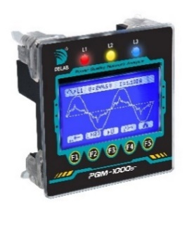
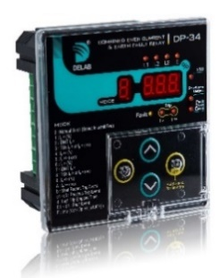
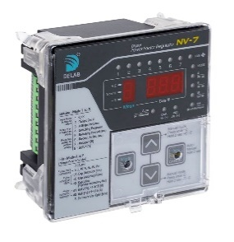
Power Factor Controller
Power Quality Analyzer
Protection Relay
 | Capacitor Sizing & Selection


 |  | Enter Parameters Here

 |  | MD : | 120 | kW
 |  | Initial PF : | 0.70
 |  | Target PF : | 0.95
 |  | Load Factor (% MD) : | 100 | %
 |  | Recommended CT Range : | 200 - | 250
 |  | CT size Selection : | Auto | / 5A |  |  | NV-xx - The Smarter Choice for Automatic Power Factor Correction
 |  | Cap rated Voltage : | 440 | Vac |  |  | Extremely user friendly with a host of features (THD & THD spectrum measurement, exhaust FAN control, smart Switching Sequence, auto CK, Alarm, operation from 1% load, capicitor usage stats, etc)
 |  | Network Voltage (L-L) : | 415 | Vac
 |  | 1st Step Cap Size : | Auto |  |  |  | PQM-1000s - The Smarter Choice for Power Quality Monitoring
 |  | Harmonic Filter : | None |  |  |  | Extremely user friendly with many hi-End features (Waveform view, 360 Phasor view, THD Specturm Bar graph view, all relevant electrical Parameters, external plug-in-type RS-485 module, etc)

 |  |  |  |  |  |  | DP-xx series Protection Relay - Best in Class
 |  |  |  |  |  |  | Extremely user friendly controls for easy parameter setting and viewing (superior tripping response to short circuit with SPARC, trip events history with last tripped elapsed time, fault events history, external plug-in-type RS-485 module, etc)
 |  | CT Size : | 250 | / 5A |  |  |  |  |  |  |  |  |  |  |  |  |  | Valid
 |  | Required kVar : | 93 | kVar / | 440V |  |  |  |  |  |  |  |  |  |  |  |  | Invalid

 | Switching Program | Capacitor Steps (kVar) |  |  |  |  |  |  |  |  |  |  |  |  |  | Total kVar | Number of Steps | Total Cap Ampere | Recommeded MCCB Size
 |  | 1 | 2 | 3 | 4 | 5 | 6 | 7 | 8 | 9 | 10 | 11 | 12 | 13 | 14
 | 1:1:1:1:1 | 2.5 | 2.5 | 2.5 | 2.5 | 2.5 | 2.5 | 2.5 | 2.5 | 2.5 | 2.5 | 2.5 | 2.5 | 2.5 | 2.5 | 35 | --- | --- | ---
 | 1:2:2:2:2 | 2.5 | 5 | 5 | 5 | 5 | 5 | 5 | 5 | 5 | 5 | 5 | 5 | 5 | 5 | 67.5 | --- | --- | ---
 | 1:2:4:4:4 | 2.5 | 5 | 10 | 10 | 10 | 10 | 10 | 10 | 10 | 10 | 10 | 0 | 0 | 0 | 97.5 | 11 | 120.7 | 200
 | 1:1:2:2:2 | 2.5 | 2.5 | 5 | 5 | 5 | 5 | 5 | 5 | 5 | 5 | 5 | 5 | 5 | 5 | 65 | --- | --- | ---
 | 1:1:2:2:4 | 2.5 | 2.5 | 5 | 5 | 10 | 10 | 10 | 10 | 10 | 10 | 10 | 10 | 0 | 0 | 95 | 12 | 117.6 | 200
 | 1:1:1:2:2 | 2.5 | 2.5 | 2.5 | 5 | 5 | 5 | 5 | 5 | 5 | 5 | 5 | 5 | 5 | 5 | 62.5 | --- | --- | ---
 | 1:2:4:8:8 | 2.5 | 5 | 10 | 20 | 20 | 20 | 20 | 0 | 0 | 0 | 0 | 0 | 0 | 0 | 97.5 | 7 | 120.7 | 200

Note: | The above selection / option is only provided as a guideline for capacitor step & size selection. Actual load condition may vary and require different combination / selection of capacitor steps & sizes. |  |  |  |  |  |  |  |  |  |  |  |  |  |  |  |  |  | Doc Version: 1.02

